intro
لاتنسونا بصالح دعاؤكم
خبير اكسيل
محمد الريفى

Mohamed ELrify
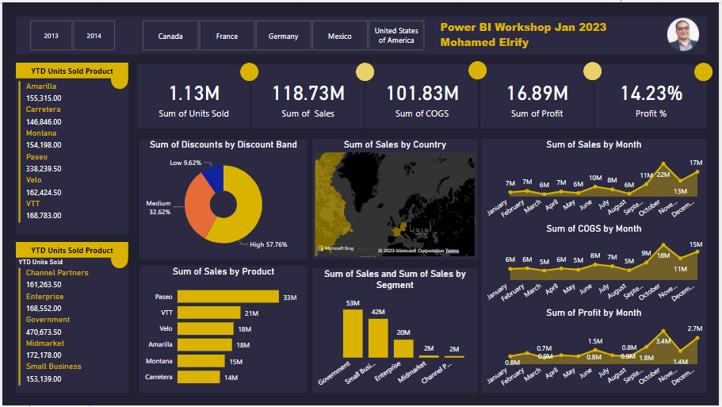
للتواصل |  | ورشة عمل ذكاء الاعمال Power BI
الصفحة الشخصية على الفيس بوك | https://www.facebook.com/mohamed.elrify2
البريد الالكترونى | xls.financial@gmail.com
صفحات التواصل الاجتماعى الخاصة بخبير اكسيل
صفحة خبير اكسيل محمد الريفى | https://www.facebook.com/NewXlspert
جروب خبير اكسيل | https://www.facebook.com/groups/GROUP.xlxpert
اكاديمية خبير اكسيل | https://www.facebook.com/excelexpert15
linkedin | https://www.linkedin.com/in/mohamed-elrify-740533110/
Twitter | https://twitter.com/XlsElrify
للحجز في الدورات التدربيبة | 00201013055959

جميع الحقوق محفوظة لدى خبير اكسيل

البريد الالكترونى | excelexpert15@gmail.com |  | يرسل مشروع الورشة على البريد الالكترونى بحد اقصى الجمعة 27 يناير 2023

